Cover Page
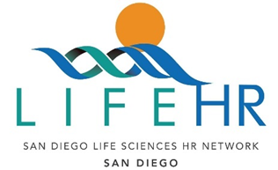

2024 San Diego LifeHR Network Cash Compensation Survey

Welcome to the 2024 San Diego Life HR Network Cash Compensation Survey Questionnaire & Input

Sponsored by the Life HR Network (formerly BEDC)

and

Conducted by: Steven Beck, LifeHR Network
Gina Snyder, LifeHR Network
&
Andy Welt, Fidelity Investments

PLEASE RETURN COMPLETED DATA no later than June 18, 2024 to:
Micah.Herrmann@fmr.com

